Sheet1
S.NO | DCK Item No. | Model | Picture | Type | Product name | Description & Features | SELLING PRICE (DHS)
1 | 10305132004 | KDPL04-8(TYPE Z) | 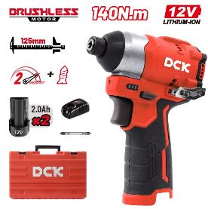 | DCK | Cordless Brushless Impact Driver | Battery:12VMAX/Solo Max. Power Output:250W Standard Bolt Size: M5-M14mm Clamping Capacity: 6.35mm Hex No-load Speed: 0-1200/0-3300 /min Impact frequency:0-1600/0-4000/min Max. Fastening Torque: 140N.m Net Weight: 0.7kg Include: Driver Bit, Hook, Color Box Packing | 108.00
2 | 10305132003 | KDPL04-8(TYPE EK) | 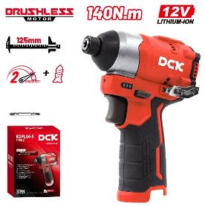 | DCK | Cordless Brushless Impact Driver | Battery:12VMAX/2.0Ah×2 Max. Power Output:250W Standard Bolt Size: M5-M14mm Clamping Capacity: 6.35mm Hex No-load Speed: 0-1200/0-3300 /min Impact frequency:0-1600/0-4000/min Max. Fastening Torque: 140N.m Net Weight: 0.9kg Include: Driver Bit, Hook, Plastic Case Packing | 211.00
3 | 10404132014 | KDPL05-8(TYPE AM) | 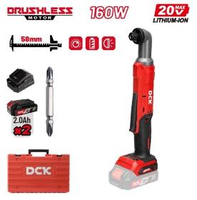 | DCK | Cordless Brushless Angle Impact Driver | Battery:20VMAX/2.0Ah×2 Max. Power Output:160W Clamping Capacity: 6.35mm Hex No-load Speed:Low 0-1500/min High 0-2250/min Rated Impact Frequency: Low 0-2400/min High 0-3400/min Max. Torque: Low 45N.m High 80N.m Net weight:1.4kg Include: Driver Bit, Plastic Case Packing | 243.00
4 | 10404132015 | KDPL05-8(TYPE Z) | 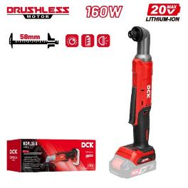 | DCK | Cordless Brushless Angle Impact Driver | Battery:20VMAX/Solo Max. Power Output:160W Clamping Capacity: 6.35mm Hex No-load Speed:Low 0-1500/min High 0-2250/min Rated Impact Frequency: Low 0-2400/min High 0-3400/min Max. Torque: Low 45N.m High 80N.m Net weight:1.1kg Include: Color Box Packing | 130.00
5 | 10402132013 | KDPL208(TYPE ADM) | 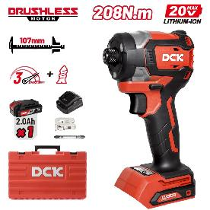 | DCK | Cordless Brushless Impact Driver | Battery: 20V MAX/2.0Ah×1 Max. Power Output:600W Clamping Capacity: 6.35mm Hex Standard Bolt Size: M5-M16 Torque Setting: L gear: 28N·m M gear：170N·m H gear: 208N·m No-load Speed: L gear: 0-1000/min M gear：0-2600/min H gear: 0-3200/min Rated Impact Frequency: L gear: 0-700/min M gear：0-3600/min H gear: 0-4300/min Net Weight: 1.3kg Include: Driver Bit, Belt Clip, Plastic Case Packing | 213.00
6 | 10402132014 | KDPL208(TYPE EM) | 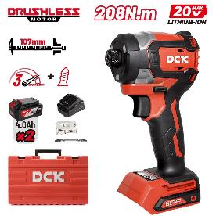 | DCK | Cordless Brushless Impact Driver | Battery: 20V MAX/4.0Ah×2 Max. Power Output:600W Clamping Capacity: 6.35mm Hex Standard Bolt Size: M5-M16 Torque Setting: L gear: 28N·m M gear：170N·m H gear: 208N·m No-load Speed: L gear: 0-1000/min M gear：0-2600/min H gear: 0-3200/min Rated Impact Frequency: L gear: 0-700/min M gear：0-3600/min H gear: 0-4300/min Net Weight: 1.6kg Include: Driver Bit, Belt Clip, Plastic Case Packing | 314.00
7 | 10402132015 | KDPL208(TYPE Z) | 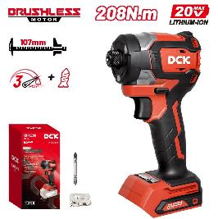 | DCK | Cordless Brushless Impact Driver | Battery: 20V MAX/Solo Max. Power Output:600W Clamping Capacity: 6.35mm Hex Standard Bolt Size: M5-M16 Torque Setting: L gear: 28N·m M gear：170N·m H gear: 208N·m No-load Speed: L gear: 0-1000/min M gear：0-2600/min H gear: 0-3200/min Rated Impact Frequency: L gear: 0-700/min M gear：0-3600/min H gear: 0-4300/min Net Weight: 1.0kg Include: Driver Bit, Belt Clip, Color Box Packing | 129.00
8 | 10305142013 | KDPB358(TYPE EM) | 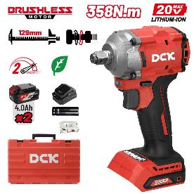 | DCK | Cordless Brushless Impact Wrench | Battery:20VMAX/4.0Ah×2 Max. Power Output:400W Standard Bolt Size: M12-M18 Square Drive Size:12.7mm(1/2") No-load Speed: Low 0-2000/min High 0-2500/min Impact Frequency: Low 0-2700 /min High 0-3100 /min Torque Setting: Low 300N.m High 358N.m Nut-Busting Torque：500N.m Net Weight:1.7kg Include: Socket, Belt clip, Plastic Case Packing | 266.00
9 | 10305142011 | KDPB358(TYPE FK) |  | DCK | Cordless Brushless Impact Wrench | Battery:20VMAX/5.0Ah×2 Max. Power Output:400W Standard Bolt Size: M12-M18 Square Drive Size:12.7mm(1/2") No-load Speed: Low 0-2000/min High 0-2500/min Impact Frequency: Low 0-2700 /min High 0-3100 /min Torque Setting: Low 300N.m High 358N.m Nut-Busting Torque：500N.m Net Weight:1.7kg Include: Socket, Belt clip, Plastic Case Packing | 342.00
10 | 10305142012 | KDPB358(TYPE Z) | 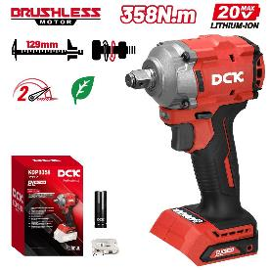 | DCK | Cordless Brushless Impact Wrench | Battery:20VMAX/Solo Max. Power Output:400W Standard Bolt Size: M12-M18 Square Drive Size:12.7mm(1/2") No-load Speed: Low 0-2000/min High 0-2500/min Impact Frequency: Low 0-2700 /min High 0-3100 /min Torque Setting: Low 300N.m High 358N.m Nut-Busting Torque：500N.m Net Weight:1.1kg Include: Socket, Belt clip, Color Box Packing | 107.00
11 | 10402140121 | KDPB488(TYPE DM) | 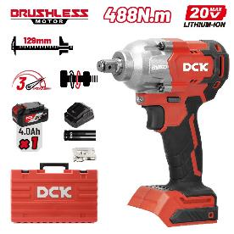 | DCK | Cordless Brushless Impact Wrench | Battery:20VMAX/4.0Ah×1 Max. Power Output:450W Square Drive Size:12.7mm(1/2") No-load Speed:Low 1800/min Middle 2100/min High 2400/min Impact Frequency: Low 2600/min Middle 3000/min High 3500/min Torque Setting:Low 350N.m Middle 400N.m High 488N.m Nut-Busting Torque：682N.m Standard Bolt Size: M12-M20 Net Weight:2.0kg Include: Socket, Belt clip, Plastic Case Packing | 227.00
12 | 10402140120 | KDPB488(TYPE EM) |  | DCK | Cordless Brushless Impact Wrench | Battery:20VMAX/4.0Ah×2 Max. Power Output:450W Square Drive Size:12.7mm(1/2") No-load Speed:Low 1800/min Middle 2100/min High 2400/min Impact Frequency: Low 2600/min Middle 3000/min High 3500/min Torque Setting:Low 350N.m Middle 400N.m High 488N.m Nut-Busting Torque：682N.m Standard Bolt Size: M12-M20 Net Weight:2.0kg Include: Socket, Belt clip, Plastic Case Packing | 286.00
13 | 10402140123 | KDPB488(TYPE FK) | 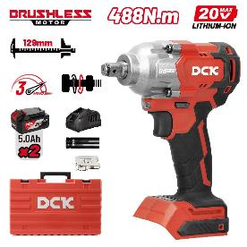 | DCK | Cordless Brushless Impact Wrench | Battery:20VMAX/5.0Ah×2 Max. Power Output:450W Square Drive Size:12.7mm(1/2") No-load Speed:Low 1800/min Middle 2100/min High 2400/min Impact Frequency: Low 2600/min Middle 3000/min High 3500/min Torque Setting:Low 350N.m Middle 400N.m High 488N.m Nut-Busting Torque：682N.m Standard Bolt Size: M12-M20 Net Weight:2.0kg Include: Socket, Belt clip, Plastic Case Packing | 371.00
14 | 10402140122 | KDPB488(TYPE Z) | 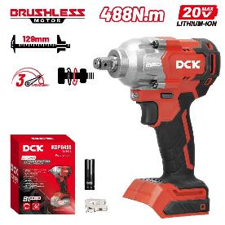 | DCK | Cordless Brushless Impact Wrench | Battery:20VMAX/Solo Max. Power Output:450W Square Drive Size:12.7mm(1/2") No-load Speed:Low 1800/min Middle 2100/min High 2400/min Impact Frequency: Low 2600/min Middle 3000/min High 3500/min Torque Setting:Low 350N.m Middle 400N.m High 488N.m Nut-Busting Torque：682N.m Standard Bolt Size: M12-M20 Net Weight:1.4kg Include: Socket, Belt clip, Color Box Packing | 118.00
15 | 10402140112 | KDPB698(TYPE DM) | 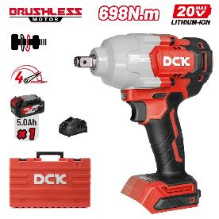 | DCK | Cordless Brushless Impact Wrench | Battery:20VMAX/5.0Ah×1 Max. Power Output:750W Square Drive Size:12.7mm(1/2") No-load Speed:1 gear 500/min 2 gear 1200/min 3 gear 1900/min 4 gear 2200/min Impact Frequency: 1 gear 1000 /min 2 gear 1700 /min 3 gear 2400 /min 4 gear 2700 /min Torque Setting: 1 gear 300N.m 2 gear 400N.m 3 gear 500N.m 4 gear 698N.m Nut-Busting Torque：910N.m Standard Bolt Size: M10-M24 Net Weight: 2.5kg Include: Plastic Case Packing | 362.00
16 | 10402140111 | KDPB698(TYPE FK) | 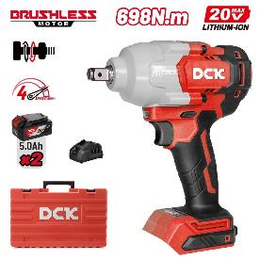 | DCK | Cordless Brushless Impact Wrench | Battery:20VMAX/5.0Ah×2 Max. Power Output:750W Square Drive Size:12.7mm(1/2") No-load Speed:1 gear 500/min 2 gear 1200/min 3 gear 1900/min 4 gear 2200/min Impact Frequency: 1 gear 1000 /min 2 gear 1700 /min 3 gear 2400 /min 4 gear 2700 /min Torque Setting: 1 gear 300N.m 2 gear 400N.m 3 gear 500N.m 4 gear 698N.m Nut-Busting Torque：910N.m Standard Bolt Size: M10-M24 Net Weight: 2.5kg Include: Plastic Case Packing | 486.00
17 | 10402142013 | KDPB698(TYPE H2K)(without battery) | 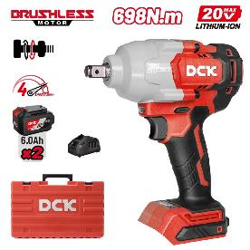 | DCK | Cordless Brushless Impact Wrench | Battery:20VMAX(The battery pack will be ordered and shipped separately） Max. Power Output:750W Square Drive Size:12.7mm(1/2") No-load Speed:1 gear 500/min 2 gear 1200/min 3 gear 1900/min 4 gear 2200/min Impact Frequency: 1 gear 1000 /min 2 gear 1700 /min 3 gear 2400 /min 4 gear 2700 /min Torque Setting: 1 gear 300N.m 2 gear 400N.m 3 gear 500N.m 4 gear 698N.m Nut-Busting Torque：910N.m Standard Bolt Size: M10-M24 Net Weight: 2.7kg Include: Plastic Case Packing | 311.00
18 | 10402140110 | KDPB698(TYPE Z) | 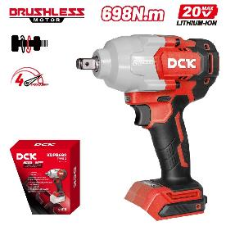 | DCK | Cordless Brushless Impact Wrench | Battery:20VMAX/Solo Max. Power Output:750W Square Drive Size:12.7mm(1/2") No-load Speed:1 gear 500/min 2 gear 1200/min 3 gear 1900/min 4 gear 2200/min Impact Frequency: 1 gear 1000 /min 2 gear 1700 /min 3 gear 2400 /min 4 gear 2700 /min Torque Setting: 1 gear 300N.m 2 gear 400N.m 3 gear 500N.m 4 gear 698N.m Nut-Busting Torque：910N.m Standard Bolt Size: M10-M24 Net Weight: 1.9kg Include: Color Box Packing | 228.00
19 |  | KDPB968(TYPE FK) |  | DCK | Cordless Brushless Impact Wrench | Battery:20VMAX/5.0Ah*2 Max. Power Output:900W Square Drive Size:12.7mm(1/2") No-load Speed:1 gear 0-1400/min 2 gear 0-1650/min 3 gear 0-1900/min Impact Frequency: 1 gear 0-1900 /min 2 gear 0-2100 /min 3 gear 0-2650 /min Torque Setting: 1 gear 600N.m 2 gear 800N.m 3 gear 968N.m Nut-Busting Torque：1700N.m Standard Bolt Size: M10-M24 Net Weight: 2.5kg Include: Belt Clip, Color Box Packing | 550.00
20 |  | KDPB968(TYPE Z) | 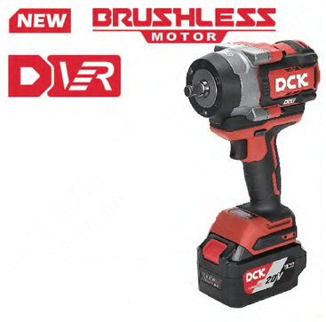 | DCK | Cordless Brushless Impact Wrench | Battery:20VMAX/Solo Max. Power Output:900W Square Drive Size:12.7mm(1/2") No-load Speed:1 gear 0-1400/min 2 gear 0-1650/min 3 gear 0-1900/min Impact Frequency: 1 gear 0-1900 /min 2 gear 0-2100 /min 3 gear 0-2650 /min Torque Setting: 1 gear 600N.m 2 gear 800N.m 3 gear 968N.m Nut-Busting Torque：1700N.m Standard Bolt Size: M10-M24 Net Weight: 2.5kg Include: Belt Clip, Color Box Packing | 289.00
21 |  | KDPB1218(TYPE FK) |  | DCK | Cordless Brushless Impact Wrench | Battery:20VMAX/5.0Ah*2 Max. Power Output:800W Square Drive Size:12.7mm(1/2") No-load Speed:1 gear 1200/min 2 gear 1400/min 3 gear 1700/min Impact Frequency: 1 gear 1800 /min 2 gear 2000 /min 3 gear 2300 /min Torque Setting: 1 gear 600N.m 2 gear 900N.m 3 gear 1218N.m Nut-Busting Torque：1700N.m Standard Bolt Size: M12-M33 Net Weight: 3.8kg Include: Plastic Case Packing (Except Type Z) | 627.00
22 |  | KDPB1218(TYPE Z) |  | DCK | Cordless Brushless Impact Wrench | Battery:20VMAX/solo Max. Power Output:800W Square Drive Size:12.7mm(1/2") No-load Speed:1 gear 1200/min 2 gear 1400/min 3 gear 1700/min Impact Frequency: 1 gear 1800 /min 2 gear 2000 /min 3 gear 2300 /min Torque Setting: 1 gear 600N.m 2 gear 900N.m 3 gear 1218N.m Nut-Busting Torque：1700N.m Standard Bolt Size: M12-M33 Net Weight: 3.8kg Include: Plastic Case Packing (Except Type Z) | 350.00
23 | 10404142016 | KDPB1288(TYPE FK) | 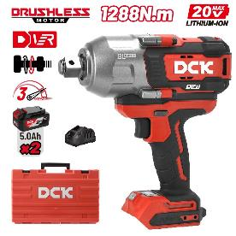 | DCK | Cordless Brushless Impact Wrench | Battery:20VMAX/5.0Ah*2 Max. Power Output:800W Square Drive Size:19mm(3/4") No-load Speed:1st gear 1200/min 2nd gear 1400/min 3th gear 1700/min Impact Frequency: 1st gear 1800/min 2nd gear 2000/min 3th gear 2300/min Max. Torque:1288N.m Nut-Busting Torque:1700N.m Standard Bolt Size: M12-M33 Net Weight: 3.6kg Include: Plastic Case Packing | 599.00
24 | 10404142017 | KDPB1288(TYPE H2K)(without battery) | 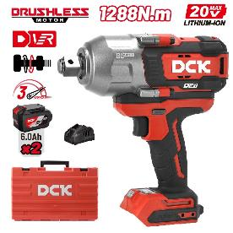 | DCK | Cordless Brushless Impact Wrench | Battery:20VMAX/(The battery pack will be ordered and shipped separately） Max. Power Output:800W Square Drive Size:19mm(3/4") No-load Speed:1st gear 1200/min 2nd gear 1400/min 3th gear 1700/min Impact Frequency: 1st gear 1800/min 2nd gear 2000/min 3th gear 2300/min Max. Torque:1288N.m Nut-Busting Torque:1700N.m Standard Bolt Size: M12-M33 Net Weight: 3.9kg Include: Plastic Case Packing | 408.00
25 | 10404142018 | KDPB1288(TYPE Z) | 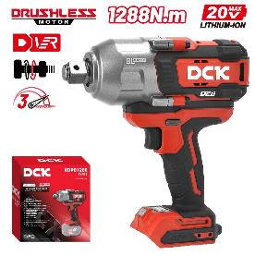 | DCK | Cordless Brushless Impact Wrench | Battery:20VMAX/Solo Max. Power Output:800W Square Drive Size:19mm(3/4") No-load Speed:1st gear 1200/min 2nd gear 1400/min 3th gear 1700/min Impact Frequency: 1st gear 1800/min 2nd gear 2000/min 3th gear 2300/min Max. Torque:1288N.m Nut-Busting Torque:1700N.m Standard Bolt Size: M12-M33 Net Weight: 3.0kg Include: Color Box Packing | 322.00
26 | 10305122007 | KDJZ2060i(TYPE ADM) | 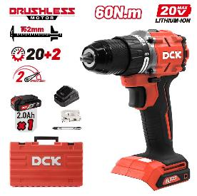 | DCK | Cordless Brushless Driver/ Hammer Drill | Battery:20VMAX/2.0Ah×1 Max. Power Output: 500W Max. Chucking Capacity:13mm Rated Impact Frequency: 0-34500/min No-load Speed:1st gear 0-600 /min 2nd gear 0-2300 /min Max. Drilling Dia.:Steel Φ13mm Brick wall Φ13mm Wood Φ38mm Torque Setting:20+2 Max. Torque:60N.m Net Weight: 1.5kg Include: Driver Bit, Belt clip, Plastic Case Packing | 171.00
27 | 10402122018 | KDJZ2060i(TYPE AM) | 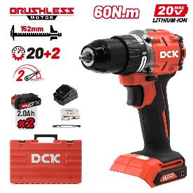 | DCK | Cordless Brushless Driver/ Hammer Drill | Battery:20VMAX/2.0Ah×2 Max. Power Output: 500W Max. Chucking Capacity:13mm Rated Impact Frequency: 0-34500/min No-load Speed:1st gear 0-600 /min 2nd gear 0-2300 /min Max. Drilling Dia.:Steel Φ13mm Brick wall Φ13mm Wood Φ38mm Torque Setting:20+2 Max. Torque:60N.m Net Weight: 1.5kg Include: Driver Bit, Belt clip, Plastic Case Packing | 212.00
28 | 10305122009 | KDJZ2060i(TYPE EM) |  | DCK | Cordless Brushless Driver/ Hammer Drill | Battery:20VMAX/4.0Ah×2 Max. Power Output: 500W Max. Chucking Capacity:13mm Rated Impact Frequency: 0-34500/min No-load Speed:1st gear 0-600 /min 2nd gear 0-2300 /min Max. Drilling Dia.:Steel Φ13mm Brick wall Φ13mm Wood Φ38mm Torque Setting:20+2 Max. Torque:60N.m Net Weight: 1.7kg Include: Driver Bit, Belt clip, Plastic Case Packing | 269.00
29 | 10305122010 | KDJZ2060i(TYPE Z) | 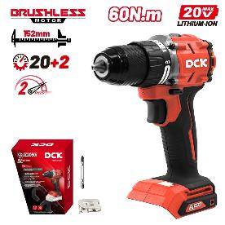 | DCK | Cordless Brushless Driver/ Hammer Drill | Battery:20VMAX/Solo Max. Power Output: 500W Max. Chucking Capacity:13mm Rated Impact Frequency: 0-34500/min No-load Speed:1st gear 0-600 /min 2nd gear 0-2300 /min Max. Drilling Dia.:Steel Φ13mm Brick wall Φ13mm Wood Φ38mm Torque Setting:20+2 Max. Torque:60N.m Net Weight: 1.1kg Include: Driver Bit, Belt clip, Color Box Packing | 107.00
30 | 10404122011 | KDJZ20160i(TYPE EM) | 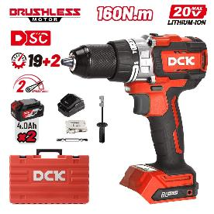 | DCK | Cordless Brushless Driver/ Hammer Drill | Battery:20VMAX/4.0Ah×2 Max. Chucking Capacity:13mm Max. Power Output:1000W No-load Speed: 1st gear 0-500/min 2nd gear 0-2100/min Rated Impact Frequency: 0-33600/min Max. Drilling Dia.: Steel Φ13mm Brick wall Φ16mm Wood Φ65mm Torque Setting:19+2 Max. Torque:160N.m Net Weight: 2.4kg Include: Auxillary Handle, Driver Bt, Belt Cllp, Plastic Case Packing | 428.00
31 | 10404122018 | KDJZ20160i(TYPE FK) |  | DCK | Cordless Brushless Driver/ Hammer Drill | Battery:20VMAX/5.0Ah×2 Max. Chucking Capacity:13mm Max. Power Output:1000W No-load Speed: 1st gear 0-500/min 2nd gear 0-2100/min Rated Impact Frequency: 0-33600/min Max. Drilling Dia.: Steel Φ13mm Brick wall Φ16mm Wood Φ65mm Torque Setting:19+2 Max. Torque:160N.m Net Weight: 2.4kg Include: Auxillary Handle, Driver Bt, Belt Cllp, Plastic Case Packing | 517.00
32 | 10404122019 | KDJZ20160i(TYPE Z) | 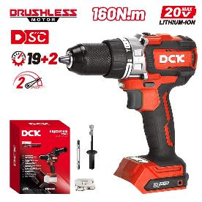 | DCK | Cordless Brushless Driver/ Hammer Drill | Battery:20VMAX/Solo Max. Chucking Capacity:13mm Max. Power Output:1000W No-load Speed: 1st gear 0-500/min 2nd gear 0-2100/min Rated Impact Frequency: 0-33600/min Max. Drilling Dia.: Steel Φ13mm Brick wall Φ16mm Wood Φ65mm Torque Setting:19+2 Max. Torque:160N.m Net Weight:1.8kg Include: Auxillary Handle, Driver Bt, Belt Cllp, Color Box Packing | 248.00
33 |  | KDJZ2090i(TYPE Z) | 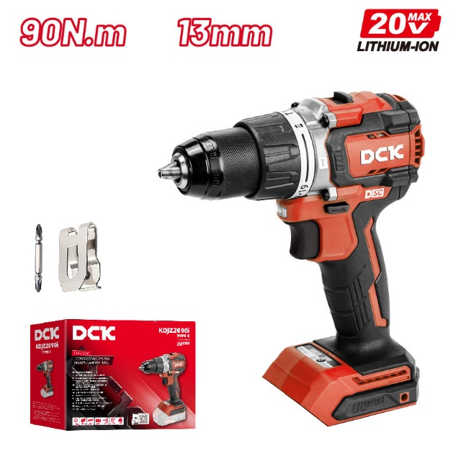 | DCK | Cordless Brushless Driver Drill | Battery:20V/4.0Ah×2/2.0Ah×2/solo Max. Chucking Capacity:13mm Max. Power Output:700W No-load Speed: 1st gear 0-500/min 2nd gear 0-2200/min Max. Drilling Dia.: Steel Φ13mm Wood Φ52mm Torque Setting:19+1 Max. Torque:90N.m Net Weight:1.2kg Belt clip, Driver bit,Color Box Packing | 146.00
34 |  | KDJZ2090i(TYPE EM) | 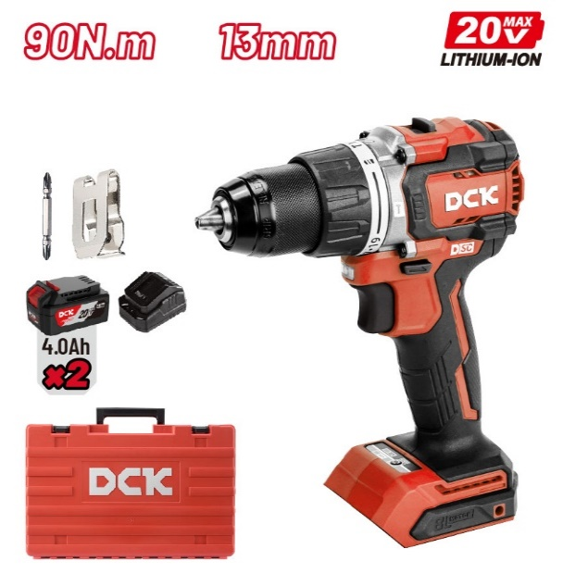 | DCK | Cordless Brushless Driver Drill | Battery:20V/4.0Ah×2 Max. Chucking Capacity:13mm Max. Power Output:700W No-load Speed: 1st gear 0-500/min 2nd gear 0-2200/min Max. Drilling Dia.: Steel Φ13mm Wood Φ52mm Torque Setting:19+1 Max. Torque:90N.m Net Weight:1.8kg Include: Driver Bt, Belt Cllp, , Plastic Case Packing | 319.00
35 |  | KDJZ2090i(TYPE AM) | 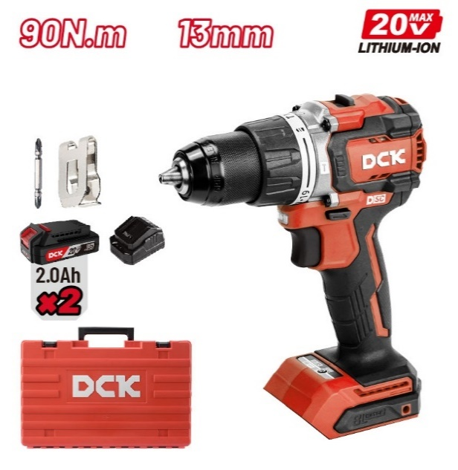 | DCK | Cordless Brushless Driver Drill | Battery:20V/2.0Ah×2 Max. Chucking Capacity:13mm Max. Power Output:700W No-load Speed: 1st gear 0-500/min 2nd gear 0-2200/min Max. Drilling Dia.: Steel Φ13mm Wood Φ52mm Torque Setting:19+1 Max. Torque:90N.m Net Weight::1.6kg Include: Driver Bt, Belt Cllp, , Plastic Case Packing | 265.00
36 | 10402150072 | KDZC04-24(TYPE EM) | 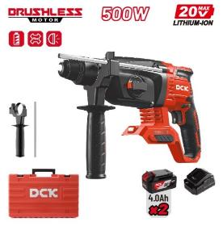 | DCK | Cordless Brushless Rotary Hammer | Battery:20V MAX/4.0Ah×2 Max. Power Output:500W Impact Energy: 2.8J No-load Speed:0-1000/min Rated Impact Frequency:0-4500/min Max. Drilling Capacity Concrete:Φ24mm steel:Φ13mm Wood:Φ28mm Net Weight: 3.2/3.2/2.6kg Include: 2A Battery Charger, 4.0Ah Battery Pack (2pcs), Auxiliary Handle, Depth Gauge, Plastic Case Packing | 367.00
37 | 10402150076 | KDZC04-24(TYPE FK) | 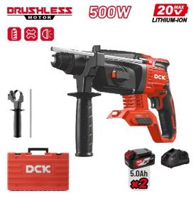 | DCK | Cordless Brushless Rotary Hammer | Battery:20V MAX/5.0Ah×2 Max. Power Output:500W Impact Energy: 2.8J No-load Speed:0-1000/min Rated Impact Frequency:0-4500/min Max. Drilling Capacity Concrete:Φ24mm steel:Φ13mm Wood:Φ28mm Net Weight: 3.2/3.2/2.6kg Include: 4A Battery Charger, 5.0Ah Battery Pack (2pcs), Auxiliary Handle, Depth Gauge, Plastic Case Packing | 451.00
38 | 10402150071 | KDZC04-24(TYPE Z) | 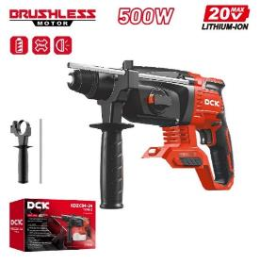 | DCK | Cordless Brushless Rotary Hammer | Battery:20V MAX/Solo Max. Power Output:500W Impact Energy: 2.8J No-load Speed:0-1000/min Rated Impact Frequency:0-4500/min Max. Drilling Capacity Concrete:Φ24mm steel:Φ13mm Wood:Φ28mm Net Weight: 3.2/3.2/2.6kg Include: Auxiliary Handle, Depth Gauge, Color Box Packing | 210.00
39 | 10405152000 | KRH20V-26(TYPE H2K)(without battery) | 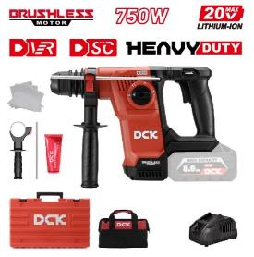 | DCK | Cordless Brushless Rotary Hammer | Battery:20V MAX/(The battery pack will be ordered and shipped separately） Max. Power Output:750W Impact Energy: 2.8J No-load Speed:0-1125/min Rated Impact Frequency:0-5100/min Max. Drilling Capacity Concrete:φ26mm Net Weight: 4.2kg Include: Auxiliary Handle, Depth Gauge, Plastic Case Packing Grease，Oil Absorber Cloth | 867.00
40 | 10405152001 | KRH20V-26(TYPE R2K)(without battery) | 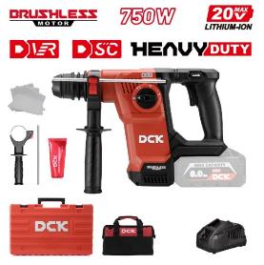 | DCK | Cordless Brushless Rotary Hammer | Battery:20V MAX/No battery Max. Power Output:750W Impact Energy: 2.8J No-load Speed:0-1125/min Rated Impact Frequency:0-5100/min Max. Drilling Capacity Concrete:φ26mm Net Weight: 4.3kg Include: 4A Battery Charger, Auxiliary Handle, Depth Gauge, Plastic Case Packing Grease，Oil Absorber Cloth | 867.00
41 | 10405152002 | KRH20V-26(TYPE Z) | 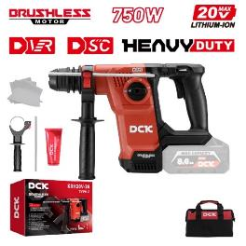 | DCK | Cordless Brushless Rotary Hammer | Battery:20V MAX/Solo Max. Power Output:750W Impact Energy: 2.8J No-load Speed:0-1125/min Rated Impact Frequency:0-5100/min Max. Drilling Capacity Concrete:φ26mm Net Weight: 3.1kg Include: Auxiliary Handle, Depth Gauge, Plastic Case Packing Grease，Oil Absorber Cloth | 784.00
42 | 10405692000 | KDE20V-16 | 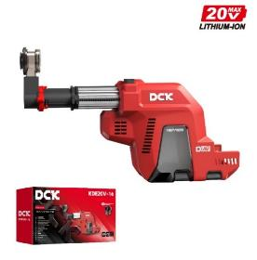 | DCK | Dust Extractor | Max. speed output: 21000rpm Max. working stroke:130mm Dust collection box capacity:240cm³ Max. drilling diameter:16mm No-load current: 3.2A L x W x H: 396x88x240mm Net weight:1.2kg | 120.00
43 | 10404012005 | KDSM04-115(TYPE EM) | 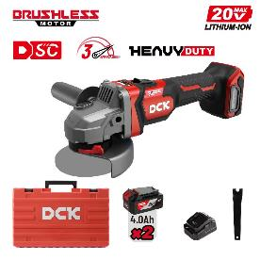 | DCK | Cordless Brushless Angle Grinder | Battery: 20V MAX/4.0Ah×2 Max. Power Input : 1000W No-load Speed: 4000/6500/9000 /min Max.Wheel Dia.: Φ115mm Spindle Thread: M14 Net Weight: 2.5kg Include: Auxiliary Handle, Wrench, Tool-free Adjustment Guard, Plastic Case Packing | 345.00
44 | 10404012019 | KDSM04-115(TYPE FK) | 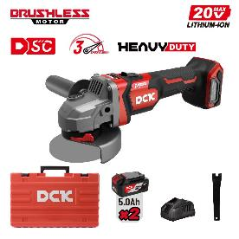 | DCK | Cordless Brushless Angle Grinder | Battery: 20V MAX/5.0Ah×2 Max. Power Input : 1000W No-load Speed: 4000/6500/9000 /min Max.Wheel Dia.: Φ115mm Spindle Thread: M14 Net Weight: 2.5kg Include: Auxiliary Handle, Wrench, Tool-free Adjustment Guard, Plastic Case Packing | 398.00
45 | 10404012007 | KDSM04-115(TYPE H2K)(without battery) | 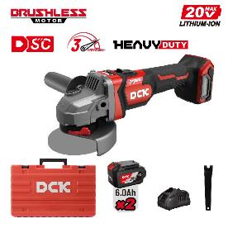 | DCK | Cordless Brushless Angle Grinder | Battery: 20V MAX/(The battery pack will be ordered and shipped separately） Max. Power Input : 1000W No-load Speed: 4000/6500/9000 /min Max.Wheel Dia.: Φ115mm Spindle Thread: M14 Net Weight: 2.8kg Include: Auxiliary Handle, Wrench, Tool-free Adjustment Guard, Plastic Case Packing | 241.00
46 | 10404012006 | KDSM04-115(TYPE Z) | 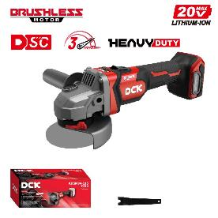 | DCK | Cordless Brushless Angle Grinder | Battery: 20V MAX/Solo Max. Power Input : 1000W No-load Speed: 4000/6500/9000 /min Max.Wheel Dia.: Φ115mm Spindle Thread: M14 Net Weight:1.9kg Include: Auxiliary Handle, Wrench, Tool-free Adjustment Guard, color box Packing | 156.00
47 | 10404012009 | KDSM04-125(TYPE EM) |  | DCK | Cordless Brushless Angle Grinder | Battery: 20V MAX/4.0Ah×2 Max. Power Input : 1000W No-load Speed: 4000/6500/9000 /min Max.Wheel Dia.: Φ125mm Spindle Thread: M14 Net Weight: 2.5kg Include: Auxiliary Handle, Wrench, Tool-free Adjustment Guard, Plastic Case Packing | 345.00
48 | 10404012020 | KDSM04-125(TYPE FK) |  | DCK | Cordless Brushless Angle Grinder | Battery: 20V MAX/5.0Ah×2 Max. Power Input : 1000W No-load Speed: 4000/6500/9000 /min Max.Wheel Dia.: Φ125mm Spindle Thread: M14 Net Weight: 2.5kg Include: Auxiliary Handle, Wrench, Tool-free Adjustment Guard, Plastic Case Packing | 398.00
49 | 10404012008 | KDSM04-125(TYPE H2K)(without battery) |  | DCK | Cordless Brushless Angle Grinder | Battery: 20V MAX/(The battery pack will be ordered and shipped separately） Max. Power Input : 1000W No-load Speed: 4000/6500/9000 /min Max.Wheel Dia.: Φ125mm Spindle Thread: M14 Net Weight: 2.8kg Include: Auxiliary Handle, Wrench, Tool-free Adjustment Guard, Plastic Case Packing | 241.00
50 | 10404012010 | KDSM04-125(TYPE Z) | 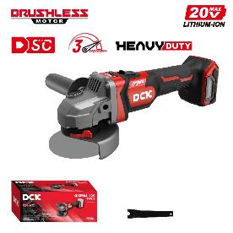 | DCK | Cordless Brushless Angle Grinder | Battery: 20V MAX/Solo Max. Power Input : 1000W No-load Speed: 4000/6500/9000 /min Max.Wheel Dia.: Φ125mm Spindle Thread: M14 Net Weight:1.9kg Include: Auxiliary Handle, Wrench, Tool-free Adjustment Guard, color box Packing | 150.00
51 | 10304220040 | KDMY125(TYPE BM) | 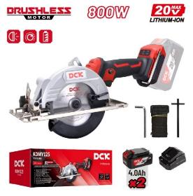 | DCK | Cordless Brushless Circular Saw | Battery:20V MAX/4.0Ah×2 Max. Power Output : 800W No-load Speed : Low:4200/min High: 6700/min Blade Dia.Φ:125mm Blade Bore.： Φ20 mm Max.cutting Capacity:0° 45mm 45° 33mm Max.cutting Angle:45° Net Weight:2.4kg Include: 2A Battery Charger, 4.0Ah Battery Pack (2pcs),Saw Blade, Suspension Strap, Hex Wrench, Fixing Plate, Color Box Packing | 324.00
52 | 10304220043 | KDMY125(TYPE FK) | 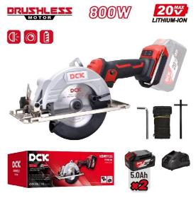 | DCK | Cordless Brushless Circular Saw | Battery:20V MAX/5.0Ah×2 Max. Power Output : 800W No-load Speed : Low:4200/min High: 6700/min Blade Dia.Φ:125mm Blade Bore.： Φ20 mm Max.cutting Capacity:0° 45mm 45° 33mm Max.cutting Angle:45° Net Weight:2.4kg Include: 4A Battery Charger, 5.0Ah Battery Pack (2pcs),Saw Blade, Suspension Strap, Hex Wrench, Fixing Plate, Color Box Packing | 413.00
53 | 10304220041 | KDMY125(TYPE Z) | 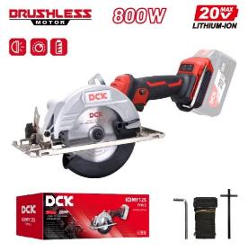 | DCK | Cordless Brushless Circular Saw | Battery:20V MAX/Solo Max. Power Output : 800W No-load Speed : Low:4200/min High: 6700/min Blade Dia.Φ:125mm Blade Bore.： Φ20 mm Max.cutting Capacity:0° 45mm 45° 33mm Max.cutting Angle:45° Net Weight:1.9kg Include: Saw Blade, Suspension Strap, Hex Wrench, Fixing Plate, Color Box Packing | 153.00
54 | 10402220054 | KDMY140S(TYPE EM) | 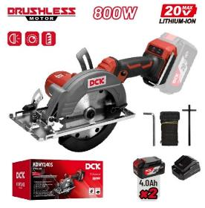 | DCK | Cordless Brushless Circular Saw | Battery:20V MAX/4.0Ah×2 Max. Power Output : 800W No-load Speed : Low:4200/min High: 6700/min Blade Dia.:Φ140mm Blade Bore.： Φ20 mm Max.Cutting Capacity:0° 51mm 45° 35mm Max.Cutting Angle:45° Net Weight:2.3/2.3/1.7kg Include: 4A Battery Charger, 4.0Ah Battery Pack (2pcs),Saw Blade, Suspension Strap, Hex Wrench, Fixing Plate, Color Box Packing | 327.00
55 | 10402220056 | KDMY140S(TYPE FK) | 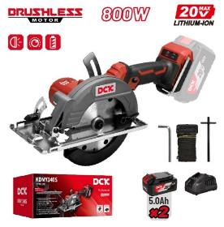 | DCK | Cordless Brushless Circular Saw | Battery:20V MAX/5.0Ah×2 Max. Power Output : 800W No-load Speed : Low:4200/min High: 6700/min Blade Dia.:Φ140mm Blade Bore.： Φ20 mm Max.Cutting Capacity:0° 51mm 45° 35mm Max.Cutting Angle:45° Net Weight:2.3/2.3/1.8kg Include: 4A Battery Charger, 5.0Ah Battery Pack (2pcs),Saw Blade, Suspension Strap, Hex Wrench, Fixing Plate, Color Box Packing | 419.00
56 | 10402220055 | KDMY140S(TYPE Z) | 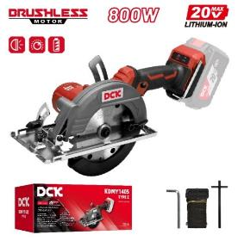 | DCK | Cordless Brushless Circular Saw | Battery:20V MAX/Solo Max. Power Output : 800W No-load Speed : Low:4200/min High: 6700/min Blade Dia.:Φ140mm Blade Bore.： Φ20 mm Max.Cutting Capacity:0° 51mm 45° 35mm Max.Cutting Angle:45° Net Weight:2.3/2.3/1.9kg Include: Saw Blade, Suspension Strap, Hex Wrench, Fixing Plate, Color Box Packing | 159.00
57 | 10404222003 | KDMY165S(TYPE BDM) | 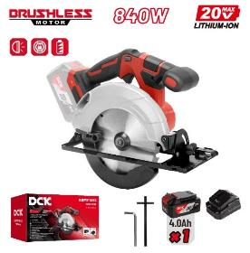 | DCK | Cordless Brushless Circular Saw | Battery:20V MAX/4.0Ah×1 Max. Power Output : 840W No-load Speed: 5000/min Blade Dia.: 165mm Blade Bore.： Φ20 mm Max.Cutting Capacity: 0° 59mm 45° 43mm 50° 39mm Max.Cutting Angle: 50° Net Weight: 3.8/3.8/3.8/3.2kg Include: Saw Blade 2A Battery Charger, 4.0Ah Battery Pack (1pcs) Hex Wrench, Fixing Plate, Operation Instructions, Color Box Packing | 313.00
58 | 10404222002 | KDMY165S(TYPE BM) |  | DCK | Cordless Brushless Circular Saw | Battery:20V MAX/4.0Ah×2 Max. Power Output : 840W No-load Speed: 5000/min Blade Dia.: 165mm Blade Bore.： Φ20 mm Max.Cutting Capacity: 0° 59mm 45° 43mm 50° 39mm Max.Cutting Angle: 50° Net Weight: 3.8/3.8/3.8/3.3kg Include: Saw Blade 2A Battery Charger, 4.0Ah Battery Pack (2pcs), Hex Wrench, Fixing Plate, Operation Instructions, Color Box Packing | 390.00
59 | 10404222007 | KDMY165S(TYPE FK) | 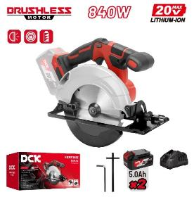 | DCK | Cordless Brushless Circular Saw | Battery:20V MAX/5.0Ah×2 Max. Power Output : 840W No-load Speed: 5000/min Blade Dia.: 165mm Blade Bore.： Φ20 mm Max.Cutting Capacity: 0° 59mm 45° 43mm 50° 39mm Max.Cutting Angle: 50° Net Weight: 3.8/3.8/3.8/3.4kg Include: Saw Blade 4A Battery Charger, 5.0Ah Battery Pack (2pcs), Hex Wrench, Fixing Plate, Operation Instructions, Color Box Packing | 477.00
60 | 10404222004 | KDMY165S(TYPE Z) | 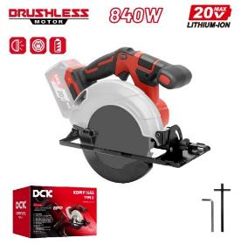 | DCK | Cordless Brushless Circular Saw | Battery:20V MAX/Solo Max. Power Output : 840W No-load Speed: 5000/min Blade Dia.: 165mm Blade Bore.： Φ20 mm Max.Cutting Capacity: 0° 59mm 45° 43mm 50° 39mm Max.Cutting Angle: 50° Net Weight:3.5kg Include: Hex Wrench, Fixing Plate, Operation Instructions, Color Box Packing | 221.00
61 | 10402220030 | KDMY02-185(TYPE BM) | 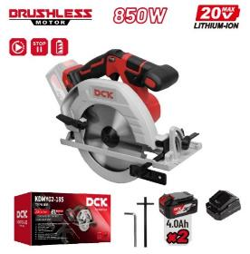 | DCK | Cordless Brushless Circular Saw | Battery:20V MAX/4.0Ah×2 Max. Power Output : 850W No-load speed:5000/min Blade Dia.:Φ185mm Blade Bore.： Φ20 mm Max.cutting Capacity:0° 65mm 45° 45mm Max.cutting Angle:45° Net Weight:4.1kg Include: 2A Battery Charger, 4.0Ah Battery Pack (2pcs)Hex Wrench, Saw Blade,Fixing Plate, Color Box Packing | 405.00
62 | 10304220030 | KDMY02-185(TYPE DM) |  | DCK | Cordless Brushless Circular Saw | Battery:20V MAX/4.0Ah×1 Max. Power Output : 850W No-load speed:5000/min Blade Dia.:Φ185mm Blade Bore.： Φ20 mm Max.cutting Capacity:0° 65mm 45° 45mm Max.cutting Angle:45° Net Weight:4.1kg Include: 2A Battery Charger, 4.0Ah Battery Pack (1pcs),Hex Wrench, Saw Blade,Fixing Plate, Color Box Packing | 327.00
63 | 10304220035 | KDMY02-185(TYPE FK) |  | DCK | Cordless Brushless Circular Saw | Battery:20V MAX/5.0Ah×2 Max. Power Output : 850W No-load speed:5000/min Blade Dia.:Φ185mm Blade Bore.： Φ20 mm Max.cutting Capacity:0° 65mm 45° 45mm Max.cutting Angle:45° Net Weight:4.1kg Include: 4A Battery Charger, 5.0Ah Battery Pack (2pcs)Hex Wrench, Saw Blade,Fixing Plate, Color Box Packing | 484.00
64 | 10402220032 | KDMY02-185(TYPE Z) |  | DCK | Cordless Brushless Circular Saw | Battery:20V MAX/Solo Max. Power Output : 850W No-load speed:5000/min Blade Dia.:Φ185mm Blade Bore.： Φ20 mm Max.cutting Capacity:0° 65mm 45° 45mm Max.cutting Angle:45° Net Weight:3.5kg Include: Hex Wrench, Fixing Plate, Color Box Packing | 243.00
65 | 10402470018 | KDJF15(TYPE EK) |  | DCK | Cordless Sabre Saw | Battery:12VMAX/2.0Ah×2 Max. Power Output:150W Stroke length：14.5 mm Max.Cutting Depth：Metal：8mm Wood：65mm Pipe：Φ50mm No-load strokes：0-3000/min Net Weight：1.2kg Include: 3A Battery Charger, 2.0Ah Battery Pack (2pcs)BIM Saw Blade (Metal), HCS Saw Blade (wood),.Plastic Case Packing | 220.00
66 | 10402470016 | KDJF15(TYPE Z) |  | DCK | Cordless Sabre Saw | Battery:12VMAX/Solo Max. Power Output:150W Stroke length：14.5 mm Max.Cutting Depth：Metal：8mm Wood：65mm Pipe：Φ50mm No-load strokes：0-3000/min Net Weight：1.0kg Include: BIM Saw Blade (Metal), HCS Saw Blade (wood), Color Box Packing | 124.00
67 | 10402260022 | KDJF22(TYPE EM) |  | DCK | Cordless Brushless Reciprocating Saw | Battery: 20VMAX/4.0Ah×2 Max. Power Output:450W Stroke: 22mm Max. Cutting Depth Metal: 15mm Wood: 180mm Pipe: Φ100mm No-load Speed: 0-3000/min Net Weight :2.4kg Include: 2A Battery Charger, 4.0Ah Battery Pack (2pcs),Blade (Metal), Plastic Case Packing | 347.00
68 | 10402260020 | KDJF22(TYPE DM) |  | DCK | Cordless Brushless Reciprocating Saw | Battery: 20VMAX/4.0Ah×1 Max. Power Output:450W Stroke: 22mm Max. Cutting Depth Metal: 15mm Wood: 180mm Pipe: Φ100mm No-load Speed: 0-3000/min Net Weight :2.4kg Include: 2A Battery Charger, 4.0Ah Battery Pack (1pcs),Blade (Metal), Plastic Case Packing | 276.00
69 | 10402260021 | KDJF22(TYPE FK) |  | DCK | Cordless Brushless Reciprocating Saw | Battery: 20VMAX/5.0Ah×2 Max. Power Output:450W Stroke: 22mm Max. Cutting Depth Metal: 15mm Wood: 180mm Pipe: Φ100mm No-load Speed: 0-3000/min Net Weight :2.4kg Include: 4A Battery Charger, 5.0Ah Battery Pack (2pcs),Blade (Metal), Plastic Case Packing | 420.00
70 | 10402260023 | KDJF22(TYPE Z) |  | DCK | Cordless Brushless Reciprocating Saw | Battery: 20VMAX/Solo Max. Power Output:450W Stroke: 22mm Max. Cutting Depth Metal: 15mm Wood: 180mm Pipe: Φ100mm No-load Speed: 0-3000/min Net Weight :1.8kg Include: Blade (Metal), Color Box Packing | 173.00
71 | 10404262010 | KDJF32(TYPE EM) |  | DCK | Cordless Brushless Reciprocating Saw | Battery: 20VMAX/4.0Ah×2 Max. Power Output:900W No-load Speed: 0-2800 /min Length of Strokes: 32mm Max. Cutting Depth:Steel 20mm Wood 255mm Tube Φ130mm Base Plate Adjustment: 3 Net Weight: 3.9kg Include: BIM Saw Blade (Metal), HCS Saw Blade (wood), Plastic Case Packing | 448.00
72 | 10404262011 | KDJF32(TYPE FK) |  | DCK | Cordless Brushless Reciprocating Saw | Battery: 20VMAX/5.0Ah×2 Max. Power Output:900W No-load Speed: 0-2800 /min Length of Strokes: 32mm Max. Cutting Depth:Steel 20mm Wood 255mm Tube Φ130mm Base Plate Adjustment: 3 Net Weight: 3.9kg Include: BIM Saw Blade (Metal), HCS Saw Blade (wood), Plastic Case Packing | 534.00
73 | 10404262009 | KDJF32(TYPE Z) |  | DCK | Cordless Brushless Reciprocating Saw | Battery: 20VMAX/Solo Max. Power Output:900W No-load Speed: 0-2800 /min Length of Strokes: 32mm Max. Cutting Depth:Steel 20mm Wood 255mm Tube Φ130mm Base Plate Adjustment: 3 Net Weight:2.7kg Include: BIM Saw Blade (Metal), HCS Saw Blade (wood), Color Box Packing | 279.00
74 | 10404282000 | KDMQ85(TYPE EM) |  | DCK | Cordless Brushless Jig Saw | Battery: 20VMAX/4.0Ah×2 Max. Power Output:420W No-load Speed:800-3500 /min Length of Strokes: 26mm Max. Cutting Depth:Steel 10mm Aluminium 20mm Wood 120mm Max. Cutting Angle: 0-45°Left/Right Net Weight: 2.8kg Include: 2A Battery Charger, 4.0Ah Battery Pack (2pcs),Saw Blade (2pcs) (T144D, T118A), Plastic Case Packing | 383.00
75 | 10402282001 | KDMQ85(TYPE FK) |  | DCK | Cordless Brushless Jig Saw | Battery: 20VMAX/5.0Ah×2 Max. Power Output:420W No-load Speed:800-3500 /min Length of Strokes: 26mm Max. Cutting Depth:Steel 10mm Aluminium 20mm Wood 120mm Max. Cutting Angle: 0-45°Left/Right Net Weight: 2.8kg Include: 4A Battery Charger, 5.0Ah Battery Pack (2pcs),Saw Blade (2pcs) (T144D, T118A), Plastic Case Packing | 466.00
76 | 10404282003 | KDMQ85(TYPE Z) |  | DCK | Cordless Brushless Jig Saw | Battery: 20VMAX/Solo Max. Power Output:420W No-load Speed:800-3500 /min Length of Strokes: 26mm Max. Cutting Depth:Steel 10mm Aluminium 20mm Wood 120mm Max. Cutting Angle: 0-45°Left/Right Net Weight: 2.2.kg Include: Saw Blade (2pcs) (T144D, T118A), Color Box Packing | 213.00
77 | 10405272001 | KDJJ1.6(TYPE AM) |  | DCK | CORDLESS BRUSHLESS METAL SHEAR | Battery:20V MAX/2.0Ah×2 Max. Power Output:400W no-load speed：0-2500/min Shearing Capacity: Aluminum 1.6mm stainless steel 0.8mm Net Weight: 1.7/1.4kg Include: 2A Battery Charger, 2.0Ah Battery Pack (2pcs),Allen key（4mm*1/2.5mm*1）, Plastic Case Packing | 288.00
78 | 10404272001 | KDJJ1.6(TYPE Z) |  | DCK | CORDLESS BRUSHLESS METAL SHEAR | Battery:20V MAX/Solo Max. Power Output:400W no-load speed：0-2500/min Shearing Capacity: Aluminum 1.6mm stainless steel 0.8mm Net Weight: 1.7/1.4kg Include: Allen key（4mm*1/2.5mm*1）, Color Box Packing | 159.00
79 |  | KDJJ2.5(TYPE BM) |  | DCK | CORDLESS BRUSHLESS METAL SHEAR | Battery:20V MAX/4.0Ah×2 Max. Power Output:700W no-load speed：0-1500/min Shearing Capacity: Aluminum 3.2mm stainless steel 2.5mm Net Weight: 2.8/2.2kg Include: 2A Battery Charger, 4.0Ah Battery Pack (2pcs),Allen key（4mm*1/2.5mm*2）, Color Box Packing | 412.00
80 | 10402272004 | KDJJ2.5(TYPE Z) |  | DCK | CORDLESS BRUSHLESS METAL SHEAR | Battery:20V MAX/Solo Max. Power Output:700W no-load speed：0-1500/min Shearing Capacity: Aluminum 3.2mm stainless steel 2.5mm Net Weight: 2.8/2.2kg Include: Allen key（4mm*1/2.5mm*2）, Color Box Packing | 246.00
81 | 10002062001 | KDSP02-180(TYPE BM) |  | DCK | Cordless Brushless Polisher | Battery: 20V MAX/4.0Ah×2 Max. Power Output : 600W No-load Speed: 500-3000 /min Wheel Size: Φ180mm Speed Mode: 1-2-3-4-5-6 Spindle Thread: M14/5/8"-11UNC Net Weight: 2.5/2.5/1.9kg Include: 2A Battery Charger, 4.0Ah Battery Pack (2pcs), Backing Plate, Polishing Sponge,Auxiliary Handle, Hex Wrench, Color Box Packing | 338.00
82 | 10002062002 | KDSP02-180(TYPE FK) |  | DCK | Cordless Brushless Polisher | Battery: 20V MAX/5.0Ah×2 Max. Power Output : 600W No-load Speed: 500-3000 /min Wheel Size: Φ180mm Speed Mode: 1-2-3-4-5-6 Spindle Thread: M14/5/8"-11UNC Net Weight: 2.5/2.5/1.9kg Include: 4A Battery Charger, 5.0Ah Battery Pack (2pcs), Backing Plate, Polishing Sponge, Auxiliary Handle, Hex Wrench, Color Box Packing | 423.00
83 | 10002062000 | KDSP02-180(TYPE Z) |  | DCK | Cordless Brushless Polisher | Battery: 20V MAX/Solo Max. Power Output : 600W No-load Speed: 500-3000 /min Wheel Size: Φ180mm Speed Mode: 1-2-3-4-5-6 Spindle Thread: M14/5/8"-11UNC Net Weight: 2.5/2.5/1.9kg Include: Backing Plate, Polishing Sponge, Wool Bonnet, Auxiliary Handle, Hex Wrench, Color Box Packing | 169.00
84 | 10402460041 | KDMD20(TYPE EM) |  | DCK | Cordless Brushless Oscillating Multi-Tool | Battery: 20VMAX/4.0Ah×2 Max. Power Output:400W Oscillations Frequency: 6000-18000/min Oscillation Angle: 3.2° Net Weight: 2.0kg Include: 2A Battery Charger, 4.0Ah Battery Pack (2pcs), Cut Saw Blade BIM&HCS (2pcs), Segment Saw Blade, Scraper, Sanding Plate, Abrasive Paper (15pcs), Plastic Case Packing | 381.00
85 | 10402460040 | KDMD20(TYPE DM) |  | DCK | Cordless Brushless Oscillating Multi-Tool | Battery: 20VMAX/2.0Ah×1 Max. Power Output:400W Oscillations Frequency: 6000-18000/min Oscillation Angle: 3.2° Net Weight: 1.7kg Include: 2A Battery Charger, 2.0Ah Battery Pack (1pcs), Cut Saw Blade BIM&HCS (2pcs), Segment Saw Blade, Scraper, Sanding Plate, Abrasive Paper (15pcs), Plastic Case Packing | 300.00
86 | 10402460042 | KDMD20(TYPE FK) |  | DCK | Cordless Brushless Oscillating Multi-Tool | Battery: 20VMAX/5.0Ah×2 Max. Power Output:400W Oscillations Frequency: 6000-18000/min Oscillation Angle: 3.2° Net Weight: 2.0kg Include: 4A Battery Charger, 5.0Ah Battery Pack (2pcs), Cut Saw Blade BIM&HCS (2pcs), Segment Saw Blade, Scraper, Sanding Plate, Abrasive Paper (15pcs), Plastic Case Packing | 454.00
87 | 10402460043 | KDMD20(TYPE Z) |  | DCK | Cordless Brushless Oscillating Multi-Tool | Battery: 20VMAX/Solo Max. Power Output:400W Oscillations Frequency: 6000-18000/min Oscillation Angle: 3.2° Net Weight: 1.4kg Include: Cut Saw Blade BIM&HCS (2pcs), Segment Saw Blade, Scraper, Sanding Plate, Abrasive Paper (15pcs), Color Box Packing | 206.00
88 |  | KDMP6(TYPE FK) |  | DCK | Cordless Brushless Trimmer | Battery:20V MAX/5.0Ah×2 Max power Output： 600W Collect Size：Φ6mm-Φ8mm No-load Speed： 10000-30000/min Net Weight： 2.1kg Include: Open-end Wrench 22mm, Open-end Wrench 9/13mm, Socket Wrench 8mm, Straight Guide, Templet Guide,Square Base Plate, Dust Cap, Tool Carrying Bag(Except TYPE Z), Trimmer Guide Assembly, Carbon Brush, Color Box Packing | 401.00
...

